START HERE Instructions for use
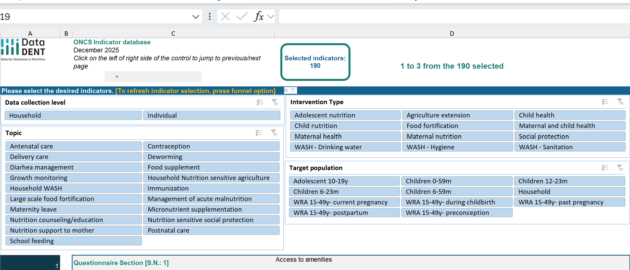
INSTRUCTIONS FOR USE
 |  | 1. The 'Selected Indicators' box indicates the number of indicators that meet the parameters that are selected. there are a total of 190 indicators.

 |  | 2. Use the 4 filter options to select the indicators you desire. the 'selected in.dicators' box will show the nujmber of indicators that meet the chosen criteria.

 |  | 3. Only the first three indicators are displayed in the output form below. You can enter the desired section number in cell A21

 |  | 4. After selecting indicators, use the funnel button to clear the selected indicatorsl

 | Please review the '1. Introduction' sheet for more information | 5. The 'Selected Indicators' box should display 190 when all filter criteria have been cleared.

1. Introduction

 | ONCS Indicator database

 | December 2025

1. Introduction
This Excel file provides a comprehensive list of indicators compiled for the One Nutrition Coverage Survey (ONCS).

2. Indicators list - outlines all indicators across different thematic areas, target populations, and intervention types, along with their definitions. It is designed to serve as a reference for survey design, data collection, and analysis. All interventions refer to those provided by the government, non-governmental organizations, other organizations, and/or skilled service providers (or as specified). |  | ` | >>>
Contents of the Indicators list tab
FILTER-1: Topic | Broad thematic area of the indicator (e.g., Household, WASH, Nutrition-sensitive Agriculture).
FILTER-2: Target population | The primary population group the indicator refers to (e.g., Household, WRA, Children).
FILTER-3: Data collection level | The level at which the data is collected (e.g., Household, Individual).
FILTER-4: Intervention Type | The specific intervention or domain under which the indicator falls (e.g., WASH - Hygiene, Social Protection).
Questionnaire Section | The section of the survey questionnaire where the indicator is measured.
Indicator | The name or short description of the indicator.
Indicator Definition | A detailed explanation of what the indicator measures, often including numerator and denominator information.
Survey Qs | The survey question(s) used to collect the data for this indicator.
Numerator | Description of the numerator used in the indicator calculation.
Denominator | Description of the denominator used in the indicator calculation.
Recall period | The time frame respondents are asked to consider when answering the question (e.g., Present, Last 7 days).
Source | The reference or standard from which the indicator is derived. It has been divided into three broader categories: Pilot- New and improved indicators developed by the DataDENT project to pilot in ONCS; Standard- standard measures used in DHS or MICS surveys; Adapted- Modified from population-based surveys like DHS, MICS, BIHS, or other program evaluations and studies that measure intervention coverage at the household and individual levels
NOTE: Survey Qs fields that provide abbreviations refer back to specific questions provided in questionnaires found elsewhere in the ONCS toolkit. (Example: NS.1 refers to the Nutrition-Sensitive questionnaire, question 1.)
3. Report - uses Excel slicers as a tool for selecting indicators based four FILTER rules, or combinations of them, described above. The complete list includes 190 indicators as shown in the box at the top of the tool. Each FITLER selects the number of indicators that meet the selection criteria. The selected indicators are displayed in the report form below the filter criteria. Combinations of different FILTERs reduce the number of indicators that meet the combined criteria. The Report form displays three indicators at a time. If your selection contains more than 3 indicators (as shown in the display box at the top of the form), you can use the slider bar to display the next set. You may also click on the right or left arrows of the slider bar to move the indicator display forward or backward to show indicators if not visible in the table. To refresh the full list of available indicators, press the funnel icon displayed on each selected slicer. |  |  | >>>

To refresh the full list of available indicators, press the funnel icon displayed on each selected slicer.

4. List of abbreviations - lists full references for abbreviations used in the 'Indicators list' tab. |  |  | >>>

Project Note
DataDENT (Data for Decisions in Nutrition, www.datadent.org) aims to transform the availability and use of nutrition data by addressing gaps in nutrition measurement and advocating for stronger nutrition data systems. This work was carried out by the following DataDENT partner: International Food Policy Research Institute (IFPRI). Collaborator includes the International Centre for Diarrhoeal Disease Research, Bangladesh (icddr,b). This work was funded by the Gates Foundation. The findings and conclusions contained within are those of the authors and do not necessarily reflect positions or policies of the Gates Foundation.
Project Note
DataDENT (Data for Decisions in Nutrition, www.datadent.org) aims to transform the availability and use of nutrition data by addressing gaps in nutrition measurement and advocating for stronger nutrition data systems. This work was carried out by the following DataDENT partner: International Food Policy Research Institute (IFPRI). Collaborator includes the International Centre for Diarrhoeal Disease Research, Bangladesh (icddr,b). This work was funded by the Gates Foundation. The findings and conclusions contained within are those of the authors and do not necessarily reflect positions or policies of the Gates Foundation.

3. Report
Selected indicators: 190
 | ONCS Indicator database |  | INSTRUCTIONS (with the link below this)
Selected indicators: 190 | December 2025
 | Enter the first element's serial number into cell A21 | 1 to 3 from the 190 selected | <<<

Please select the desired indicators. [To refresh indicator selection, press funnel option]

1 | Questionnaire Section [S.N.: 1] | Access to amenities
1 | Indicator | Handwashing facility with water and soap
1 | Indicator Definition | % de jure household members with a fixed place on HH premises for hand washing where water and soap or detergent are present
1 | Survey Qs | We would like to learn about the places that households use to wash their hands. Can you please show me where members of your household most often wash their hands? + Observation of water & soap
1 | Numerator | Number of household members with a fixed place for hand washing where water and soap or detergent are present
1 | Denominator | Total number of household members
1 | Recall period | Present
1 | Source | Standard (JMP and SDG)

2 | Questionnaire Section [S.N.: 2] | Access to amenities
2 | Indicator | Handwashing facility with water and soap (limited)
2 | Indicator Definition | % de jure household members with a fixed place on HH premises for hand washing but no water and soap or detergent are present
2 | Survey Qs | We would like to learn about the places that households use to wash their hands. Can you please show me where members of your household most often wash their hands? + Observation of water & soap
2 | Numerator | Number of household members with a fixed place for hand washing where no water and soap or detergent are present
2 | Denominator | Total number of household members
2 | Recall period | Present
2 | Source | Standard (JMP and SDG)

3 | Questionnaire Section [S.N.: 3] | Access to amenities
3 | Indicator | Handwashing facility with water and soap (no facility)
3 | Indicator Definition | % de jure household members with no fixed place for hand washing on HH premises
3 | Survey Qs | We would like to learn about the places that households use to wash their hands. Can you please show me where members of your household most often wash their hands? + Observation of water & soap
3 | Numerator | Number of household members with no fixed place for hand washing where water and soap or detergent are present
3 | Denominator | Total number of household members
3 | Recall period | Present
3 | Source | Standard (JMP and SDG)

